Punching in Slab
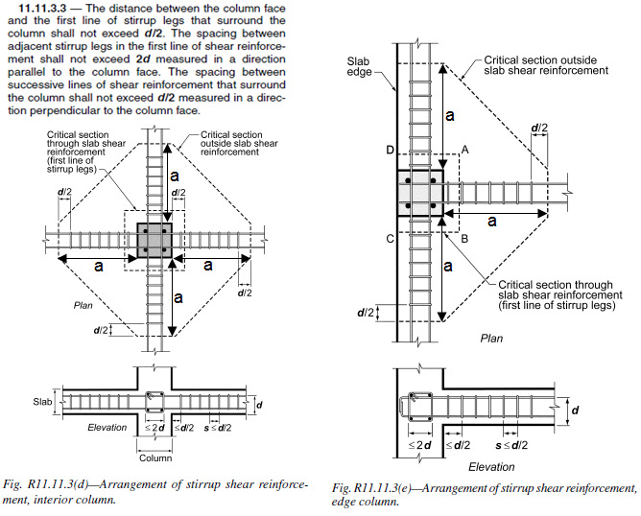
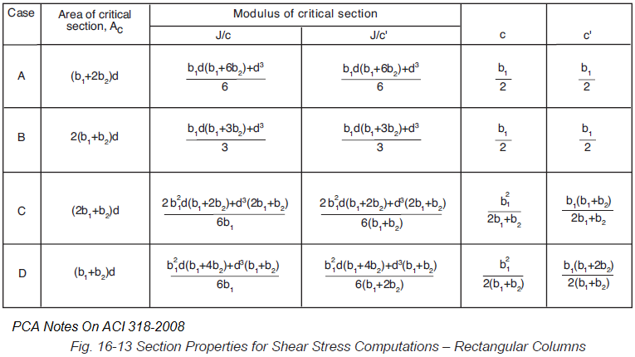
Punching Shear Strength Design of RC Slab According ACI318M-08 |  |  |  |  |  |  |  |  | rev 1.1 | This sheet is created by M. Abushady For New versions check http://mohamedabushady.blogspot.com/ For comments & notes on this sheet, Send an e-mail to m.ali.abushady@gmail.com
 |  | Project :- | Project |  |  | Designed by:- | M. Abu Shady
 |  | Building :- | Building |  |  | Checked by:- | M. Abu Shady
 |  | Element:- | Element |  |  | Date:- | 21-Dec-21
 |  | Location:- | Location
 |  | https://www.youtube.com/watch?v=pclqeYhmZFw
General Input :- |  |  |  |  |  |  |  |  |  | http://mohamedabushady.blogspot.com/
 | Flat Slab Input
 | Slab thk t | 260 | mm | fy | 420 | N/mm2
 | cover | 25 | mm | fc' | 30 | N/mm2
 | d | 225 | mm | fyt | 420 | N/mm2
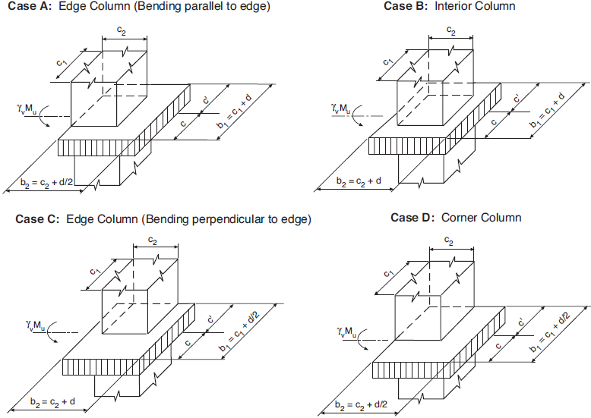
 | Normal weight concrete λ = 1
 | Column Dimensions
 | c1 Depth | 600 | mm
 | c2 Width | 400 | mm
 | Position | Edge Column-width |  | Case C |  |  |  |  |  |  | ACI 11.11.2.1.b
 | ᵦ | 1.50 | ACI 11.11.2.1.a |  |  |  |  |  |  |  | Column Location | Case | αs
 | αs | 30 | ACI 11.11.2.1.b |  |  |  |  |  |  |  | Edge Column-depth | Case A | 30
 | Punching Shear Input |  |  |  |  |  |  |  |  |  | Interior Column | Case B | 40
 | Vu | 600 | KN |  |  |  |  |  |  |  | Edge Column-width | Case C | 30
 | Mu1 | 75 | KN.m |  |  |  |  |  |  |  | Corner Column | Case D | 20
 | Mu2 | 50 | KN.m

a-Calculation of RC punching shear resistance without shear reinforcement (φVn = φVc)
 | b1 | 712.5 | mm | b2 | 625 | mm | bo substracted | 0 | mm
 | bo | 2050 | mm | ACI 11.11.1.2
$$ϕ_{shear}$$
$$0.17\left(1+\frac{2}{β}\right)λ\sqrt{{f′}_{c}}$$
 |  | 0.75 |  | ACI 9.3.2.3 & ACI 9.3.4.a
 |  |  |  | = 2.173 | N/mm2 | ACI 11.11.2.1.a
$0.083$($\frac{α_{s}d}{b_{o}}+2$)$λ\sqrt{{f′}_{c}}$
 | Vc = min. of |  |  | = 2.406 | N/mm2 | ACI 11.11.2.1.b
$$0.33λ\sqrt{{f′}_{c}}$$
 |  |  |  | = 1.807 | N/mm2 | ACI 11.11.2.1.c |  |  |  |  | 121130859.38 | 116742187.5
$$ϕV_{c}$$
 |  | = 1.356 | N/mm2 |  |  |  |  |  |  |  | 142066406.25 | 133289062.5
b-Calculation of unbalanced moment transferred by eccentricity of shear |  |  |  |  |  |  |  |  |  |  | 110333264.8 | 102054843.75
$$γ_{f_{1}}=\frac{1}{1+\left(2/3\right)\sqrt{{b_{1}}/{b_{2}}}}$$
$$γ_{f_{2}}=\frac{1}{1+\left(2/3\right)\sqrt{{b_{2}}/{b_{1}}}}$$
 |  |  | = 0.584 |  |  | = 0.616 | ACI 13.5.3.2 |  |  |  | 89397717.928 | 85507968.75
$$γ_{v_{1}}=(1− γ_{f_{1})}$$
$$γ_{v_{2}}=(1− γ_{f_{2})}$$
 |  |  | = 0.416 |  |  | = 0.384 | ACI 11.11.7.1
$$J/{c_{1}}$$
$$J/{c_{2}}$$
 |  |  | 1.103E+08 |  |  | 1.021E+08 | PCA NOTES ON ACI318-08, Fig. 16-13
c-Calculation of total punching stress
$ϕv_{n max}$ = $0.5ϕλ\sqrt{{f′}_{c}}$
 |  |  |  | = 2.054 | N/mm2 | ACI 11.11.5.2.a &b
$v_{u}$ = $\frac{V_{u}}{b_{o}d}$ + $\frac{{γ_{v_{1}}M}_{u1}}{J/{c_{1}}}$ + $\frac{{γ_{v_{2}}M}_{u2}}{J/{c_{2}}}$
 |  |  |  | = 1.772 | N/mm2 | < | Φvn max
 |  |  |  |  |  | > | ΦVc , Use Drop Panel or Shear RFT.

$v_{s max}$ = $0.66λ\sqrt{{f′}_{c}}$
d-Calculation of Shear RFT. |  |  |  |  |  |  |  |  |  |  | No.
 | vs | = 1.431 | N/mm2 ,ACI 11.11.7.2.b |  |  |  | = 3.615 | N/mm2 ,ACI 11.4.7.9 |  |  | bo calc. | 2900 | mm2
 | Sstirrup | 100 | mm | OK |  | Smax | = 112.5 | mm, ACI 11.11.3.3 |  |  | vu calc. | 1.62 | N/mm2
 | Av | 698.6 | mm2 | Stirrup Dia. | 10 | mm
 | nstirrup branch | 12 | Total number of branches distributed on all sides |  |  |  | No. sides | = 3
 | Av/stirrup leg | 58.2 | mm2/side/leg
 | Av bar act | 79.0 | mm2 | Use 12 branches T10 @100 distributed on all sides
 | a distance | 566 | mm | Distance that stirrups shall be extended to it, from the column face in each side

shear wall
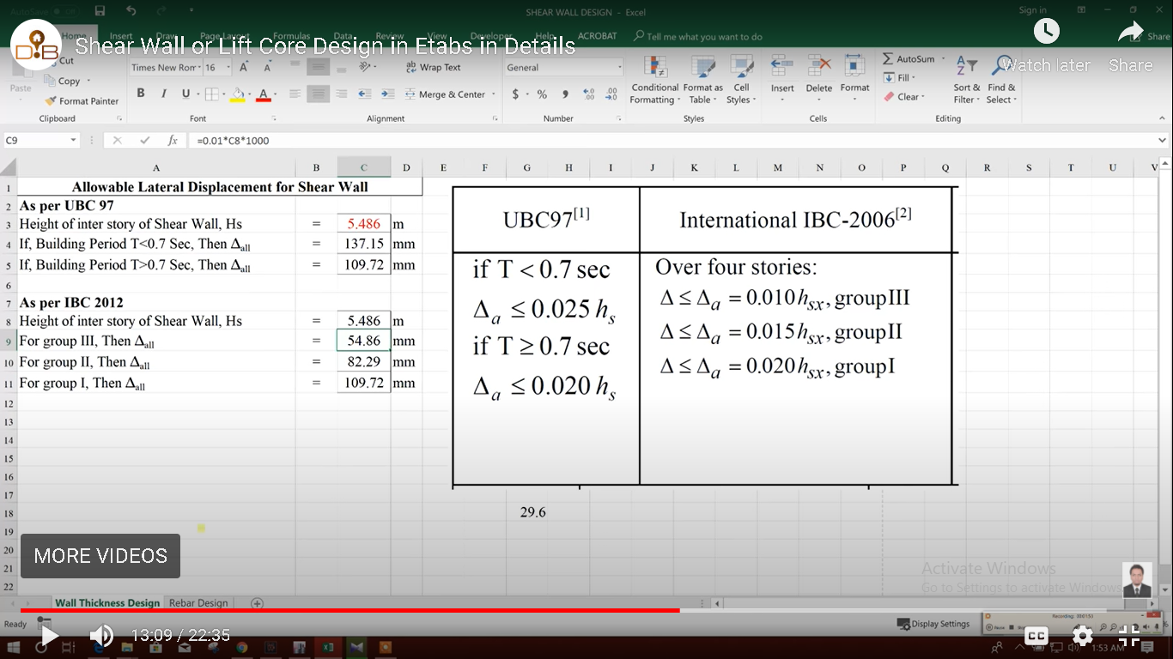
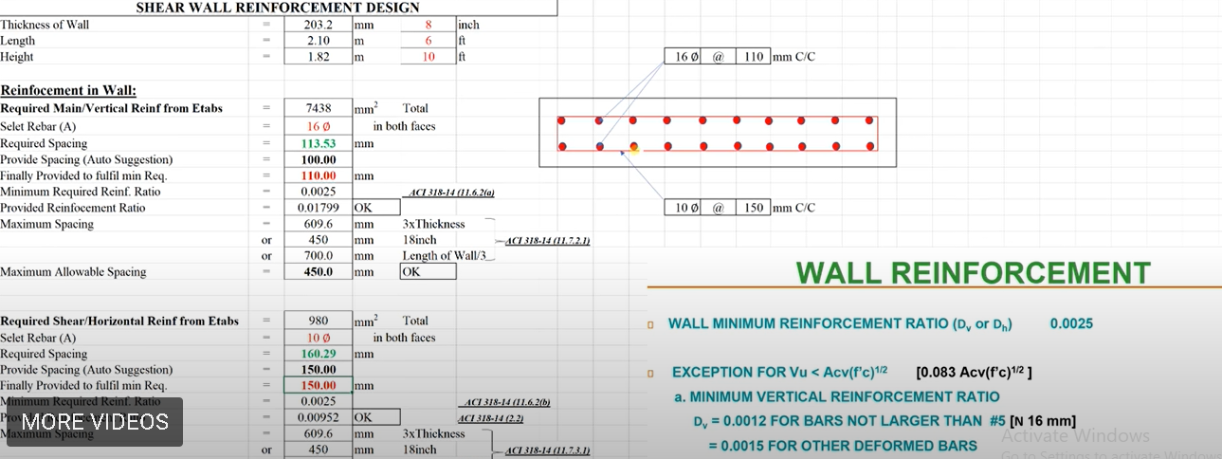

Thickness of Wall= | = | 203 | mm
Length= | = | 2.1 | m
Height | = | 1.82 | m

Reinceforcement in Wall:
Required Main/ vertical reinf from Etabs | = | 7438 | mm^2
Select Rebar | = | 16 | mm Φ
Area of Rebar= | = | 200.96 | mm^2
Required spacing | = | 113.4756655 | mm
Provide Spacing (Auto Suggestion) | = | 100 | mm
Finally Provided to fulfill min Req. | = | 110 | mm
Min Required Reinf Ratio | = | 0.0025
Provided Required Reinf Ratio | = | 0.017999104344 |  | Hence OK
Maximum Spacing | = | 609 | mm
 | = | 450 | mm
 | = | 700 | mm
Maximum Allowable Spacing | = | 450 | mm

 | =
Required Shear/ Horizontal reinf from Etabs | = | 980 | mm^2
Select Rebar | = | 10 | mm Φ
Area of Rebar= | = | 78.5 | mm^2
Required spacing | = | 160.20408163 | mm
Provide Spacing (Auto Suggestion) | = | 150 | mm
Finally Provided to fulfill min Req. | = | 150 | mm
Min Required Reinf Ratio | = | 0.0025
Provided Reinf Ratio | = | 0.0051559934319 |  | Hence OK
Maximum Spacing | = | 1350 | mm
 | = | 450 | mm
 | = | 233333.33333 | mm
Maximum Allowable Spacing | = | 450 | mm

